Sheet1
 |  | Document No. | Issue No. | Issue Date |  | Review and Replace Date |  | Authorised By
 |  | GFF002MC | 1 | 2022-04-08 |  | New issue
 |  | Document Title | GC- 10 Chicken Tikka Samosa | 750G-High Risk
 |  |  |  |  |  |  |  | Magda Shah
Document amendments reason for change |  | New Issue | Page 1 of 1 |  | Previous Issue Date |  | New issue | Uncontrolled copy unless signed original

CCSAM-B10T | Gazebo (BULK-SNACKS) |  | GC- 10 Chicken Tikka Samosa | 750G
STEP 1 |  |  |  |  | STEP 2
 |  |  |  |  | 

Tray: Transparent Tray 596-HW308/60-8263-PKNUT001-05 |  |  |  |  | Chicken Tikka Samosa Large (GFF004R): 75g 10 Pieces (750g)
Film: PP340 AF 340mm X 500m AF Weld PP (PKPRO001-15)
STEP 3
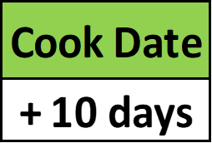 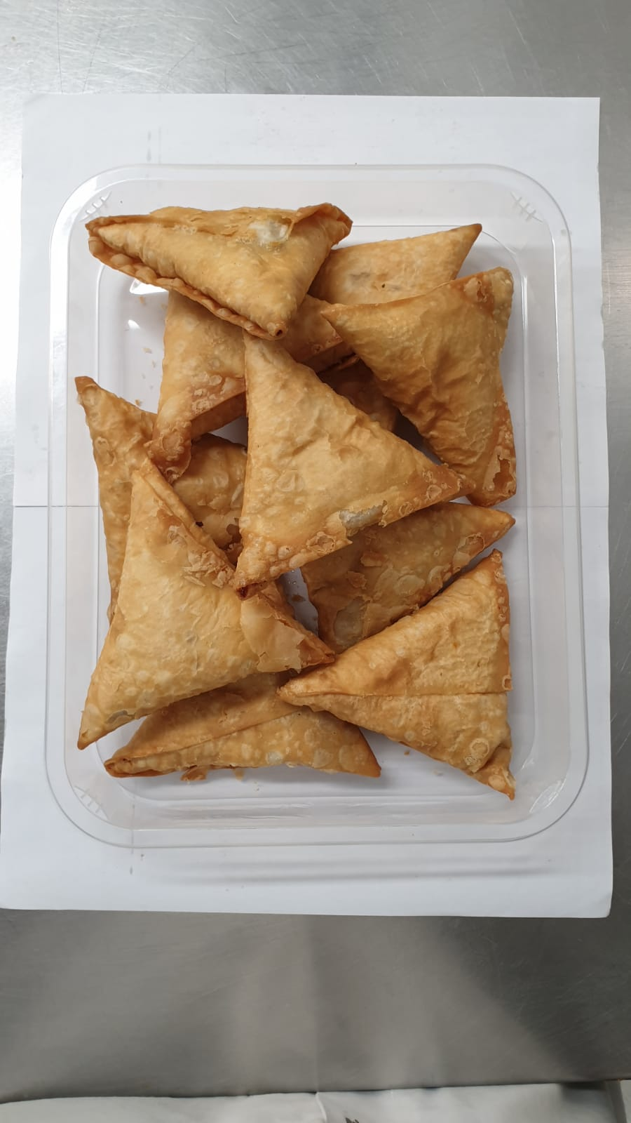

+ 18 Days

TOTAL WEIGHT: 750g

ALLERGY ALERT: WHEAT, SOYA

